CYL HEAD DISASSY
 |  |  |  |  |  |  |  |  |  |  |  |  |  |  |  |  |  |  |  |  |  |  |  |  |  |  |  |  | Firing Order: |  | R1-L1-R5-L5-R3-L3-R6-L6-R2-L2-R4-L4

DIS-ASSEMBLY CHECKSHEET CYLINDER HEAD KOMATSU ENGINE ALL SERIES |  |  |  |  |  |  |  |  | JOB NUMBER |  |  |  |  |  |  |  |  |  |  | DOCUMENT NO |  |  |  |  | QR02-SA-001 |  |  |  | Valve clearance: | inlet | 0.43mm
 |  |  |  |  |  |  |  |  | ENGINE MODEL |  |  |  |  |  |  |  |  |  |  | PUBLIC.DATE |  |  |  |  | 01/08/2008
 |  |  |  |  |  |  |  |  | ENGINE SERIAL NO. |  |  |  |  |  |  |  |  |  |  | REVISION NO. |  |  |  |  | 04
 |  |  |  |  |  |  |  |  | MACHINE MODEL |  |  |  |  |  |  |  |  |  |  | PAGE

PROCESS |  |  | START |  |  |  |  |  |  |  |  |  |  |  |  | DISASSEMBLY BY
 |  |  | FINISH

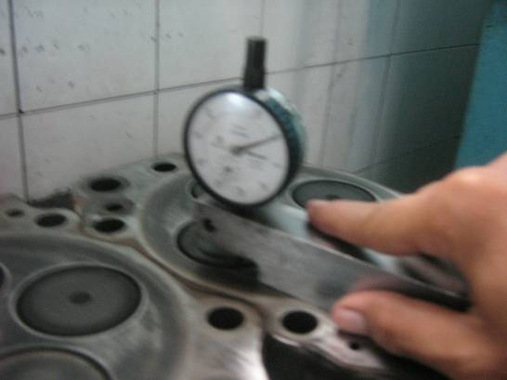
No. | PARTS TO REMOVE OR INSPECT |  | CONDITIONS TO BE INSPECTED |  |  |  |  |  |  |  |  |  |  | REUSE | SALVAGE | REPLACE | SKETCH DRAWING OR FOTHOES |  |  |  |  |  |  |  |  |  | REMARKS
1 | Inserts of valve |  | • | To measure the amount of sinking, apply
 |  |  |  | a dial gauge on the head surface and set
 |  |  |  | the dial to zero.
 |  |  |  | Measure the end face of the valve at four
 |  |  |  | positions as shown
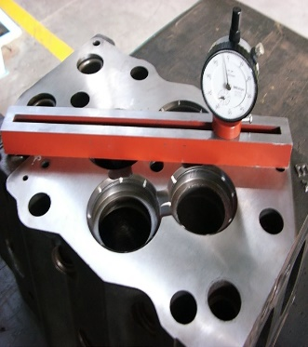
 |  |  |  | Alternatively, use a straight edge and
 |  |  |  | feeler gauge

STANDARD OF VALVE SINKING |  |  |  |  |  |  |  |  |  |  |  |  |  |  |  |  |  |  |  |  |  |  |  |  |  |  |  | Unit : mm
ENGINE MODEL |  |  |  | STANDARD |  |  |  |  |  |  |  |  |  |  |  |  |  |  | REPAIR LIMIT
6D140 Series |  |  |  | 0.00 |  |  |  |  |  |  |  |  |  |  |  |  |  |  | 0.70
6D170 Series |  |  |  | 0,97 ~ 1,67 |  |  |  |  |  |  |  |  |  |  |  |  |  |  | 2.10
12V140 Series |  |  |  | 0.00 |  |  |  |  |  |  |  |  |  |  |  |  |  |  | 0.70
6D170-3 |  |  |  | 0.00 |  |  |  |  |  |  |  |  |  |  |  |  |  |  | 0.40
6D140-3 |  |  |  | 0.00 |  |  |  |  |  |  |  |  |  |  |  |  |  |  | 0.70
ACTUAL |  |  |  |  |  |  |  |  |  |  |  |  |  |  |  |  |  |  |  |  |  |  |  |  |  |  |  | Unit : mm
INLINE / V-MODEL |  |  |  | VALVE |  |  |  |  |  |  | NUMBER OF CYLINDER HEAD
 |  |  |  |  |  |  |  |  |  |  | 1 |  |  | 2 |  |  |  | 3 |  |  | 4 |  |  | 5 |  |  |  | 6
RH |  |  |  | IN |  |  |  | 1

 |  |  |  |  |  |  |  | 2

 |  |  |  | EX |  |  |  | 1

 |  |  |  |  |  |  |  | 2

LH |  |  |  | IN |  |  |  | 1

 |  |  |  |  |  |  |  | 2

 |  |  |  | EX |  |  |  | 1

 |  |  |  |  |  |  |  | 2

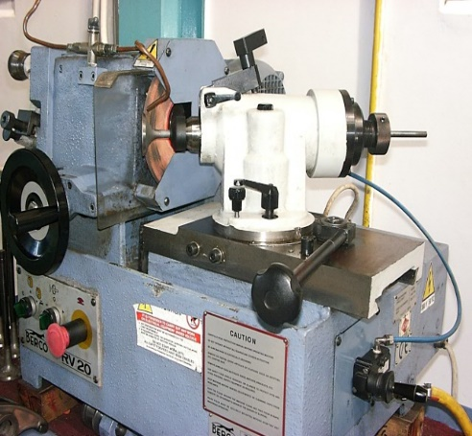
STANDARD OF NOZZLE OR INJECTOR PROTRUSION |  |  |  |  |  |  |  |  |  |  |  |  |  |  |  |  |  |  |  |  |  |  |  |  |  |  |  | Unit : mm
ENGINE MODEL |  |  | STANDARD |  |  |  |  |  |  |  |  |  |  |  |  |  | REPAIR LIMIT
12V140 - 1, 2 Series |  |  | 4.65 ~ 5.65 |  |  |  |  |  |  |  |  |  |  |  |  |  | 5.66
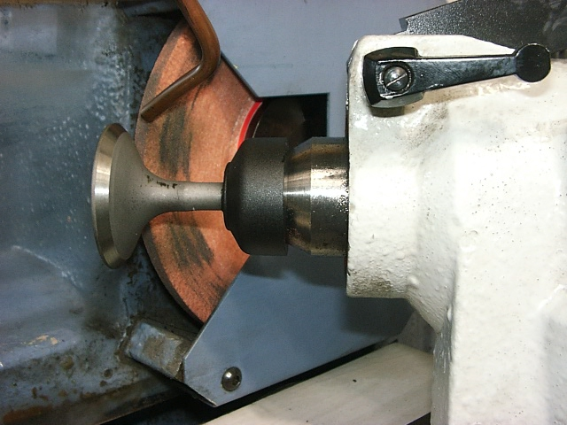
6D140E - 3 Series |  |  | 4.7 ~ 5.3 |  |  |  |  |  |  |  |  |  |  |  |  |  | 5.31
6D170E - 3 Series |  |  | 2.42 ~ 2.92 |  |  |  |  |  |  |  |  |  |  |  |  |  | 2.93
 |  |  |  |  |  |  |  |  |  |  |  |  |  |  |  |  |  |  |  |  |  |  |  |  |  |  |  | Unit : mm
INLINE / V-MODEL |  |  |  | NUMBER OF CYLINDER HEAD
 |  |  |  | 1 |  |  |  |  |  | 2 |  |  |  | 3 |  |  |  |  | 4 |  |  |  | 5 |  |  |  | 6
RH
LH

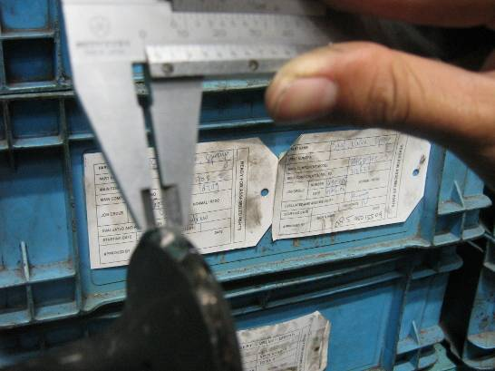
No. | PARTS TO REMOVE OR INSPECT |  | CONDITIONS TO BE INSPECTED |  |  |  |  |  |  |  |  |  |  | REUSE | SALVAGE | REPLACE | SKETCH DRAWING OR FOTHOES |  |  |  |  |  |  |  |  |  | REMARKS
2 | Valves |  | • | Remove the valves
 |  |  |  |  | Measure OD at positions A and B in
 |  |  |  |  | directions X and Y.
 |  |  |  |  | Measure valve guide ID at top and
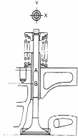
 |  |  |  |  | middle in X and Y directions.
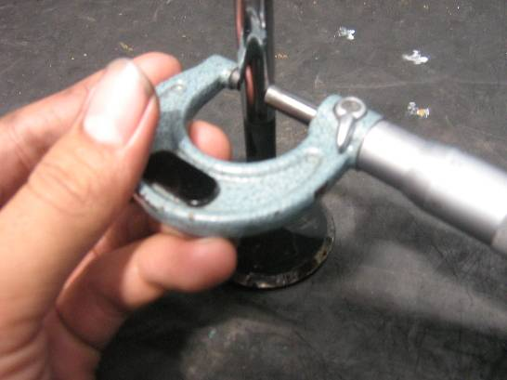
 |  |  | • | Measure thickness of valve lip at 4 places
 |  |  |  | around the circumference as shown below
 |  |  | • | Make sure that exhaust valve for Engine
 |  |  |  | 12V140 series series must have code "PX"

A. MEASURE VALVE STEM DIAMETER |  |  |  |  |  |  |  |  |  |  |  |  |  |  |  |  |  |  |  |  |  |  |  |  |  |  |  | Unit : mm
ENGINE MODEL |  |  |  | VALVE |  |  |  |  |  |  |  |  | STANDARD SIZE |  |  |  |  |  |  |  |  |  | REPAIR LIMIT
6D140E - 3 |  |  |  | INTAKE |  |  |  |  |  |  |  |  | 10.00 |  |  |  |  |  |  |  |  |  | -0,045 ~ -0,060
Series |  |  |  | EXHAUST |  |  |  |  |  |  |  |  | 10.00 |  |  |  |  |  |  |  |  |  | -0,074 ~ -0,089
6D170 |  |  |  | INTAKE |  |  |  |  |  |  |  |  | 12.00 |  |  |  |  |  |  |  |  |  | 11.80
Series |  |  |  | EXHAUST |  |  |  |  |  |  |  |  | 12.00 |  |  |  |  |  |  |  |  |  | 11.80
12V140 |  |  |  | INTAKE |  |  |  |  |  |  |  |  | 10.00 |  |  |  |  |  |  |  |  |  | -0,045 ~ -0,060
Series |  |  |  | EXHAUST |  |  |  |  |  |  |  |  | 10.00 |  |  |  |  |  |  |  |  |  | -0,074 ~ -0,089
6D170-3 |  |  |  | INTAKE |  |  |  |  |  |  |  |  | 12.00 |  |  |  |  |  |  |  |  |  | 11.90
 |  |  |  | EXHAUST |  |  |  |  |  |  |  |  | 12.00 |  |  |  |  |  |  |  |  |  | 11.80
ACTUAL |  |  |  |  |  |  |  |  |  |  |  |  |  |  |  |  |  |  |  |  |  |  |  |  |  |  |  | Unit : mm
INLINE / V-MODEL |  |  |  | VALVE |  |  |  |  |  |  | NUMBER OF CYLINDER HEAD
 |  |  |  |  |  |  |  |  |  |  | 1 |  |  | 2 |  |  |  | 3 |  |  | 4 |  |  | 5 |  |  |  | 6
RH |  |  |  | IN |  |  |  | 1
 |  |  |  |  |  |  |  | 2
 |  |  |  | EX |  |  |  | 1 |  |  | STANDART GANTI BARU
 |  |  |  |  |  |  |  | 2
LH |  |  |  | IN |  |  |  | 1
 |  |  |  |  |  |  |  | 2
 |  |  |  | EX |  |  |  | 1 |  |  | STANDART GANTI BARU
 |  |  |  |  |  |  |  | 2

B. MEASURE VALVE LIP THICKNESS |  |  |  |  |  |  |  |  |  |  |  |  |  |  |  |  |  |  |  |  |  |  |  |  |  |  |  | Unit : mm
ENGINE MODEL |  |  |  |  |  |  |  |  |  |  |  |  |  | 6D140E-3 |  |  |  | 6D140 |  |  | 6D170 |  |  | 12V140 |  |  |  | 6D170E-3
LIMIT ( MM ) |  |  |  |  |  | IN |  |  |  |  |  |  |  | 2.40 |  |  |  | 2.40 |  |  | 3.40 |  |  | 2.40 |  |  |  | 3.20
 |  |  |  |  |  | EX |  |  |  |  |  |  |  | 2.15 |  |  |  | 2.15 |  |  | 3.50 |  |  | 2.15 |  |  |  | 3.30
ACTUAL |  |  |  |  |  |  |  |  |  |  |  |  |  |  |  |  |  |  |  |  |  |  |  |  |  |  |  | Unit : mm
INLINE / V-engine |  |  |  | VALVE |  |  |  |  |  |  | NUMBER OF CYLINDER HEAD
 |  |  |  |  |  |  |  |  |  |  | 1 |  |  | 2 |  |  |  | 3 |  |  | 4 |  |  | 5 |  |  |  | 6
RH |  |  |  | IN |  |  |  | 1
 |  |  |  |  |  |  |  | 2
 |  |  |  | EX |  |  |  | 1 |  |  | STANDARD GANTI BARU
 |  |  |  |  |  |  |  | 2
LH |  |  |  | IN |  |  |  | 1
 |  |  |  |  |  |  |  | 2
 |  |  |  | EX |  |  |  | 1 |  |  | STANDARD GANTI BARU
 |  |  |  |  |  |  |  | 2

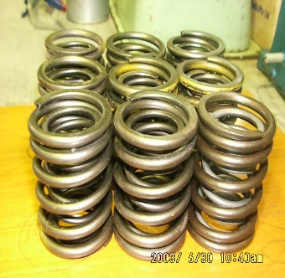
No. | PARTS TO REMOVE OR INSPECT |  | CONDITIONS TO BE INSPECTED |  |  |  |  |  |  |  |  |  |  | REUSE | SALVAGE | REPLACE | SKETCH DRAWING OR FOTHOES |  |  |  |  |  |  |  |  |  | REMARKS
3 | Valve Springs |  | • | Measure inclination and bend of the valve
 |  |  |  | spring using a square on a surface table.
 |  |  | • | Measure maximum value of clearance in
 |  |  |  | each direction between the tip of the spring
 |  |  |  | and square
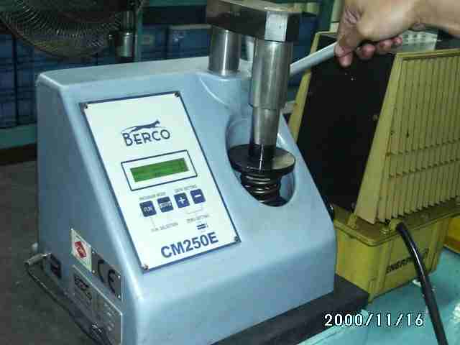
 |  |  | • | For load against specified installed length,
 |  |  |  | set the installed length with a block gauge
 |  |  |  | and lock after applying specified load up to
 |  |  |  | installed length
 |  |  | • | For load against specified compressive
 |  |  |  | length, use above procedure. Permanent
 |  |  |  | strain may be measured with calipers.

VALVE SPRING
A. MEASURE FREE LENGTH AND LOAD OF THE SPRING |  |  |  |  |  |  |  |  |  |  |  |  |  |  |  |  |  |  | Unit : mm
ENGINE MODEL |  |  | VALVE SPRING |  |  |  |  | STANDARD SIZE |  |  |  |  |  |  |  |  | REPAIR LIMIT
 |  |  |  |  |  |  |  | FREE LENGTH |  |  |  | INSTAL LENGTH |  |  |  |  | LOAD (KG)
6D140 Series |  |  | INNER |  |  |  |  | 72.00 |  |  |  | 46.00 |  |  |  |  | 19.60
 |  |  | OUTER |  |  |  |  | 81.70 |  |  |  | 51.00 |  |  |  |  | 38.50
6D170 Series |  |  | INNER |  |  |  |  | 59.30 |  |  |  | 47.00 |  |  |  |  | 17.40
 |  |  | OUTER |  |  |  |  | 64.80 |  |  |  | 37.50 |  |  |  |  | 84.80
6D170 HD465-5 |  |  | INNER |  |  |  |  | 73.80 |  |  |  | 48.00 |  |  |  |  | 23.30
 |  |  | OUTER |  |  |  |  | 77.00 |  |  |  | 52.00 |  |  |  |  | 48.70
12V140 Series |  |  | INNER |  |  |  |  | 72.00 |  |  |  | 46.00 |  |  |  |  | 19.70
 |  |  | OUTER |  |  |  |  | 81.70 |  |  |  | 51.00 |  |  |  |  | 38.70
6D170-3 |  |  | OUTER |  |  |  |  | 99.60 |  |  |  | 87.40 |  |  |  |  | 62.00

ACTUAL |  |  |  |  |  |  |  |  |  |  |  |  |  |  |  |  |  |  |  |  |  |  |  |  |  |  |  | Unit : mm

VALVE SPRING
B.MEASURE THE SQUARENESS OF THE SPRING
ENGINE MODEL |  |  |  |  |  |  |  |  |  |  | 6D140 |  |  |  |  | 6D170 |  |  |  |  | 12V140 |  |  |  |  | 6D170-3
LIMIT (MM ) |  |  |  |  |  |  |  |  |  |  | MAX 2.5 |  |  |  |  | MAX. 2.0 |  |  |  |  | MAX. 2.5 |  |  |  |  | 2.00
ACTUAL |  |  |  |  |  |  |  |  |  |  |  |  |  |  |  |  |  |  |  |  |  |  |  |  |  |  |  | Unit : mm
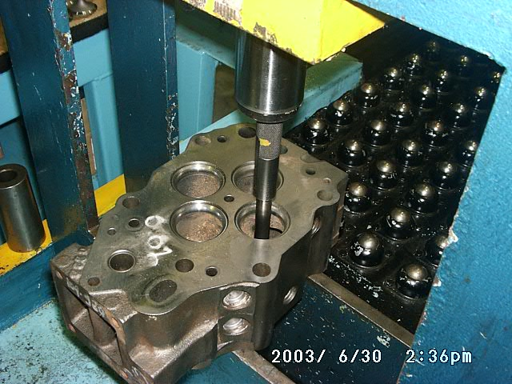
INLINE / |  | VALVE SPRING |  |  |  |  |  |  |  |  | NUMBER OF CYLINDER HEAD
V-ENGINE |  |  |  |  |  |  |  |  |  |  | 1 |  |  | 2 |  |  |  | 3 |  |  | 4 |  |  | 5 |  |  |  | 6
RH |  | IN | 1 |  |  |  | INNER
 |  |  |  |  |  |  | OUTER
 |  |  | 2 |  |  |  | INNER
 |  |  |  |  |  |  | OUTER
 |  | EX | 1 |  |  |  | INNER
 |  |  |  |  |  |  | OUTER
 |  |  | 2 |  |  |  | INNER
 |  |  |  |  |  |  | OUTER
LH |  | IN | 1 |  |  |  | INNER
 |  |  |  |  |  |  | OUTER
 |  |  | 2 |  |  |  | INNER
 |  |  |  |  |  |  | OUTER
 |  | EX | 1 |  |  |  | INNER
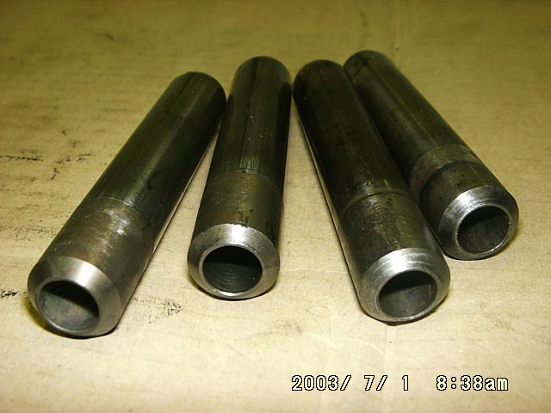
 |  |  |  |  |  |  | OUTER
 |  |  | 2 |  |  |  | INNER
 |  |  |  |  |  |  | OUTER

VALVE GUIDES |  |  |  |  |  |  |  |  |  |  |  |  |  |  |  |  |  |  |  |  |  |  |  |  |  |  |  | Unit : mm
ENGINE MODEL |  |  |  | VALVE |  |  |  |  |  |  |  |  | STANDARD (GO/NG) |  |  |  |  |  |  |  |  | LIMIT (GO/NG)
6D140 Series |  |  |  | INTAKE |  |  |  |  |  |  |  |  | 9.50 |  |  |  |  |  |  |  |  | 10.10
 |  |  |  | EXHAUST |  |  |  |  |  |  |  |  | 9.50 |  |  |  |  |  |  |  |  | 10.10
6D170 Series |  |  |  | INTAKE |  |  |  |  |  |  |  |  | 12.00 |  |  |  |  |  |  |  |  | 12.10
 |  |  |  | EXHAUST |  |  |  |  |  |  |  |  | 12.00 |  |  |  |  |  |  |  |  | 12.10
12V140 Series |  |  |  | INTAKE |  |  |  |  |  |  |  |  | 10.00 |  |  |  |  |  |  |  |  | 10.10
 |  |  |  | EXHAUST |  |  |  |  |  |  |  |  | 10.00 |  |  |  |  |  |  |  |  | 10.10
6D170-3 |  |  |  | INTAKE |  |  |  |  |  |  |  |  | 12.00 |  |  |  |  |  |  |  |  | 12.10
 |  |  |  | EXHAUST |  |  |  |  |  |  |  |  | 12.00 |  |  |  |  |  |  |  |  | 12.10
ACTUAL |  |  |  |  |  |  |  |  |  |  |  |  |  |  |  |  |  |  |  |  |  |  |  |  |  |  |  | Unit : mm
INLINE / V-engine |  |  |  | VALVE |  |  |  |  |  |  | NUMBER OF CYLINDER HEAD
 |  |  |  |  |  |  |  |  |  |  | 1 |  |  | 2 |  |  |  | 3 |  |  | 4 |  |  | 5 |  |  |  | 6
RH |  |  |  | IN |  |  |  | 1
 |  |  |  |  |  |  |  | 2
 |  |  |  | EX |  |  |  | 1 |  |  | STANDART GANTI BARU
 |  |  |  |  |  |  |  | 2
MEASUREMENT
LH |  |  |  | IN |  |  |  | 1
 |  |  |  |  |  |  |  | 2
 |  |  |  | EX |  |  |  | 1 |  |  | STANDART GANTI BARU
 |  |  |  |  |  |  |  | 2
MACHINING PROCESS
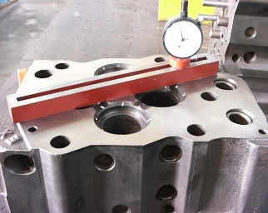
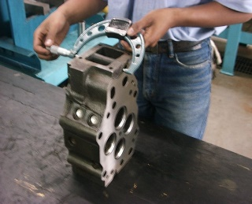
WATER LEAKS TEST
No. | PARTS TO REMOVE OR INSPECT |  | CONDITIONS TO BE INSPECTED |  |  |  |  |  |  |  |  |  |  | REUSE | SALVAGE | REPLACE | SKETCH DRAWING OR FOTHOES |  |  |  |  |  |  |  |  |  | REMARKS
5 | Measure thickness |  | • | Measure the Thickness of the cylinder
 | of the Head |  |  | head with a micrometer

ASSEMBLING
MEASURE HEAD AND DISTORSION |  |  |  |  |  |  |  |  |  |  |  |  |  |  |  |  |  |  |  |  |  |  |  |  |  |  |  | Unit : mm
ENGINE MODEL |  |  |  | CYLINDER HEAD HEIGHT |  |  |  |  |  |  |  |  |  |  |  |  |  |  |  |  |  | DISTORSION LOWER SURFACE
 |  |  |  | STANDARD |  |  |  |  |  |  |  |  | REPAIR LIMIT
READY TO SEND TO ASSY LINE
6D140 Series |  |  |  | 104.95 ~ 105.05 mm |  |  |  |  |  |  |  |  | 104.65 |  |  |  |  |  |  |  |  | 0.06 and less
6D170 Series |  |  |  | 139.85 ~ 140.15 mm |  |  |  |  |  |  |  |  | 139.54 |  |  |  |  |  |  |  |  | 0.06 and less
12V140 Series |  |  |  | 104.95 ~ 105.05 mm |  |  |  |  |  |  |  |  | 104.64 |  |  |  |  |  |  |  |  | 0.06 and less
6D170-3 |  |  |  | 150.95 ~ 151.05 |  |  |  |  |  |  |  |  | 150.65 |  |  |  |  |  |  |  |  | 0.06 and less
6D140-3 |  |  |  | 139.95 ~ 140.05 |  |  |  |  |  |  |  |  | 139.65 |  |  |  |  |  |  |  |  | 0.05 and less
ACTUAL |  |  |  |  |  |  |  |  |  |  |  |  |  |  |  |  |  |  |  |  |  |  |  |  |  |  |  | Unit : mm
INLINE / V-ENGINE |  |  | CHECK |  |  |  |  |  |  |  | NUMBER OF CYLINDER HEAD
 |  |  |  |  |  |  |  |  |  |  | 1 |  |  | 2 |  |  |  | 3 |  |  | 4 |  |  | 5 |  |  |  | 6
RH |  |  | CYL. HEAD HEIGHT
 |  |  | DISTORSION
LH |  |  | CYL. HEAD HEIGHT
 |  |  | DISTORSION

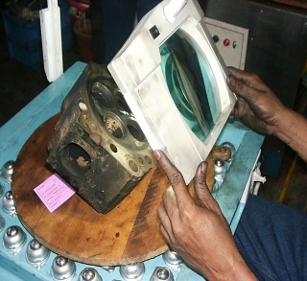
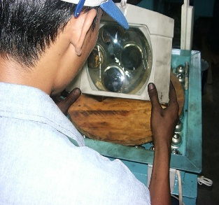
No. | PARTS TO REMOVE OR INSPECT |  | CONDITIONS TO BE INSPECTED |  |  |  |  |  |  |  |  |  |  | REUSE | SALVAGE | REPLACE | SKETCH DRAWING OR FOTHOES |  |  |  |  |  |  |  |  |  | REMARKS
6 | Cyl.Head Crack |  | Check :
 | Test with |  | • | Head bolt seat surface
 | Magnifier Lamp |  | • | Rocker housing mounting surface
 |  |  | • | Water and oil grommet surface.
 |  |  | • | Combustion surface
 |  |  | • | Injection nozzle hole
 |  |  | • | Valve seat hole

MEASURE VALVE SEAT INSERT BORE
STANDARD |  |  |  |  |  |  |  |  | . |  |  |  |  |  |  |  |  |  |  |  |  |  |  |  |  |  |  | Unit : mm
NO | ENGINE MODEL |  |  |  |  | MEASURING ITEM |  |  |  |  |  |  |  |  |  |  |  |  |  |  |  | STANDARD (mm)
2 | 6D140 & 12V140 SERIES |  |  |  |  | Valve Seat Insert Bore |  |  |  |  |  | In |  |  |  | Std |  |  |  |  |  | 55.090 ~ 55.100
 |  |  |  |  |  |  |  |  |  |  |  |  |  |  |  | 0.25 OS |  |  |  |  |  | 55.340 ~ 55.350
 |  |  |  |  |  |  |  |  |  |  |  |  |  |  |  | 0.50 OS |  |  |  |  |  | 55.590 ~ 55.600
 |  |  |  |  |  |  |  |  |  |  |  | Ex |  |  |  | Std |  |  |  |  |  | 52.070 ~ 52.080
 |  |  |  |  |  |  |  |  |  |  |  |  |  |  |  | 0.25 OS |  |  |  |  |  | 52.320 ~ 52.330
 |  |  |  |  |  |  |  |  |  |  |  |  |  |  |  | 0.50 OS |  |  |  |  |  | 52.620 ~ 52.630
3 | 6D170 SERIES |  |  |  |  | Valve Seat Insert Bore |  |  |  |  |  | In |  |  |  | Std |  |  |  |  |  | 63,080 ~ 63.100
 |  |  |  |  |  |  |  |  |  |  |  |  |  |  |  | 0.25 OS |  |  |  |  |  | 63.330 ~ 63.350
 |  |  |  |  |  |  |  |  |  |  |  |  |  |  |  | 0.50 OS |  |  |  |  |  | 63.580 ~ 63.600
 |  |  |  |  |  |  |  |  |  |  |  | Ex |  |  |  | Std |  |  |  |  |  | 61.080 ~ 61.100
 |  |  |  |  |  |  |  |  |  |  |  |  |  |  |  | 0.25 OS |  |  |  |  |  | 61.330 ~ 61.350
 |  |  |  |  |  |  |  |  |  |  |  |  |  |  |  | 0.50 OS |  |  |  |  |  | 61.580 ~ 61.600
4 | 6D170-3 |  |  |  |  | Valve Seat Insert |  |  |  |  |  | IN |  |  |  | Std |  |  |  |  |  | 64.080 ~ 64.105
 |  |  |  |  |  | Bore |  |  |  |  |  | EX |  |  |  | Std |  |  |  |  |  | 63.680 ~ 63.700
ACTUAL |  |  |  |  |  |  |  |  |  |  |  |  |  |  |  |  |  |  |  |  |  |  |  |  |  |  |  | Unit : mm
INLINE / V-engine |  |  |  | VALVE |  |  |  |  |  |  | NUMBER OF CYLINDER HEAD
 |  |  |  |  |  |  |  |  |  |  | 1 |  |  | 2 |  |  |  | 3 |  |  | 4 |  |  | 5 |  |  |  | 6
RH |  |  |  | IN |  |  |  | 1

 |  |  |  |  |  |  |  | 2

 |  |  |  | EX |  |  |  | 1

 |  |  |  |  |  |  |  | 2

LH |  |  |  | IN |  |  |  | 1

 |  |  |  |  |  |  |  | 2

 |  |  |  | EX |  |  |  | 1

 |  |  |  |  |  |  |  | 2

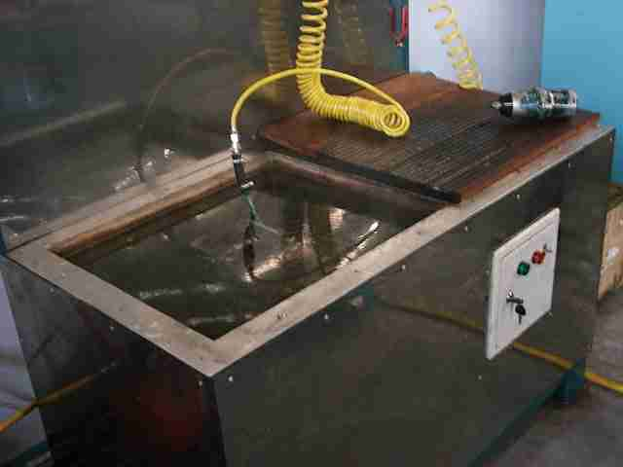
No. | PARTS TO REMOVE OR INSPECT |  | CONDITIONS TO BE INSPECTED |  |  |  |  |  |  |  |  |  |  | REUSE | SALVAGE | REPLACE | SKETCH DRAWING OR FOTHOES |  |  |  |  |  |  |  |  |  | REMARKS
7 | Air Pressure Test |  | • | When pressure testing the head, seal all
 |  |  |  | holes in the jacket except one attached to
 |  |  |  | tester. Immerse in water at about 90°C,
 |  |  |  | and Pressurize head to 3.0 – 3.5 kg/cm2.

No. | ITEM TO BE CHECK |  |  |  |  |  |  |  |  |  | CYLINDER HEAD NUMBER
 |  |  |  |  |  |  |  |  |  |  | R1 |  |  | R2 |  |  |  | R3 |  |  | R4 |  |  | R5 |  |  |  | R6
1 | Expansion Plug
2 | Nozlle Sleeve
3 | Others
No. | ITEM TO BE CHECK |  |  |  |  |  |  |  |  |  | CYLINDER HEAD NUMBER
 |  |  |  |  |  |  |  |  |  |  | L1 |  |  | L2 |  |  |  | L3 |  |  | L4 |  |  | L5 |  |  |  | L6
1 | Expansion Plug
2 | Nozlle Sleeve
3 | Others

Note :

 | INSPECTION BY |  |  |  |  |  |  |  |  |  |  |  |  |  |  |  |  | INSPECTION & APPROVAL BY

 | ( MECHANIC ) |  |  |  |  |  |  |  |  |  | QUALITY ASSURANCE (QA) |  |  |  |  |  |  |  |  |  |  |  | PROD. SUPERVISOR (SPV)

Insert and press valve guides

Install insert valve

Check nozzle protusions

Check cylinder head with hot water
& air pressure

Install lower seat
Install valve seal

Install outer spring
Install inner spring

Compress spring
Fit valve cotter

SUPPLY PUMP DISASSY
PT SAPTAINDRA SEJATI
NAROGONG REBUILD CENTER

 |  |  | FUEL SUPPLY PUMP

 |  |  | DISASSEMBLY CHECK SHEET
 |  |  | KOMATSU ENGINE 12V140E-3 Series

WO NUMBER |  |  |  | PART NUMBER |  |  |  |  |  | DOCUMENT NO.
ENGINE MODEL |  |  |  | FUEL SUPPLY PUMP S/N |  |  |  |  |  | PUBLISHED DATE |  |  | 01/08/2008
ENGINE S/N |  |  |  | START DATE / TIME |  |  |  |  |  | REVISION NO |  |  | 00
MACHINE MODEL |  |  |  | FINISH DATE / TIME |  |  |  |  |  | PAGE

DIS ASSEMBLY BY

NO | PART | CONDITION TO BE INSPECTED |  |  |  | REUSE | SALVAGE | REPLACE | SKETCH DRAWING OR PHOTOES |  |  | REMARKS

1 | Fuel Supply pump | - Hold bracket with vice bench (1)

 |  | - Fix pump assembly (1) to bracket (1)
 |  | with 4 bolt (M8 or M10)

2 | Element Assy | - Remove the mounting nut of element
 |  | assembly (2) and install tool PCV puller

 |  | - Tigthen bolt of tool PCV puller evently
 |  | to remove element assembly
 |  | - Attn : Lift up the element assembly
 |  | vertically so that its housing will not be
 |  | damaged

 |  | - Pull puller (3) out of the housing,
 |  | taking care not damage it

3 | PCV | - Secure tools PCV mounting with the
 |  | vice bench and fix removed element
 |  | assembly

 |  | - Remove PCV (4) with tool
 |  | use an extension bar about 500mm long

 |  | - Remove stopper (5) with tweezers.
 |  | attn : Don't reuse stopper

 |  | - Loosen the vice bench and change the
 |  | fixing angle of tools then remove valve
 |  | holder (6) with tool

NO | PART | CONDITION TO BE INSPECTED |  |  |  | REUSE | SALVAGE | REPLACE | SKETCH DRAWING OR PHOTOES |  |  | REMARKS

4 | Upper spring seat | - fix tools extractor to housing
 |  | - Install tools holding spanner (B2) to the
 |  | drive shaft end

 |  | -Turn the shaft with tool holding spanner
 |  | to bring the cam of upper spring seat
 |  | (34) of cylinder to be removed to the
 |  | bottom dead center

 |  | - Put the pin of tools holding spanner in
 |  | the semicircular groove of upper spring
 |  | seat (34).Pushing it in, turn the handle
 |  | by 90 ° and remove upper spring seat
 |  | * Don’t push in the pin more than
 |  | necesity since it can cut the housing
 |  | surface under the seat

 |  | - Using tweezers (2) remove lower
 |  | spring seat and tappet

 |  | - Drain the oil from pump

5 | Feed pump | - Remove pump cover (10) with hexagon
 |  | wrench (width across flat :5mm) then
 |  | remove O - Ring
 |  | * Drain the fuel remaining in the pump
 |  | with the priming pump

 |  | - Remove 4 mounting bolt (12) of side
 |  | plate (11) (outer) with hexagon wrench
 |  | (width across flats :3 mm)

 |  | - Using pliers remove side plate

NO | PART | CONDITION TO BE INSPECTED |  |  |  | REUSE | SALVAGE | REPLACE | SKETCH DRAWING OR PHOTOES |  |  | REMARKS

 | Feed pump
 | continued | - Remove casing
 |  | - Remove outer rotor
 |  | - Remove inner rotor (15) and key (39)

 |  | - Remove side plate (16) inner

6 | Feed pump and G Sensor | - Remove the mounting bolts and feed
 |  | pump housing (17) from housing (35)

 |  | - Remove G sensor
 |  | * When removing the G sensor, take
 |  | care not damage the shim and housing

7 | Camshaft | - Remove mounting bolt (21) of bearing
 |  | cover assembly (19) with a hexagon
 |  | wrench (width across flat : 5 mm)

 |  | - Remove key (20)

 |  | - Hit the end of camshaft (22) on the feed
 |  | pump side with a plastic hammer to
 |  | remove bearing cover assembly (19)
 |  | from the housing

NO | PART | CONDITION TO BE INSPECTED |  |  |  | REUSE | SALVAGE | REPLACE | SKETCH DRAWING OR PHOTOES |  |  | REMARKS

 | Camshaft | - Pull out camshaft (22)
 | continued

8 | Bearing outer | - Set tools bearing puller, Hook set, Base
 | race

 |  | - Pull out bearing outer race (24) with
 |  | hand press

9 | Oil seal | - Remove Oil seal (30) with replacer and
 |  | handle and a hand press

10 | Wear Ring | - Set shaft (22) to vice bench
 |  | - Break wear ring (25) with hammer
 |  | - Pull wear ring (25) out of shaft (22)

11 | Bearing Roller | - Secure the camshaft with support and
 |  | pull out bearing rollers (26) (2 pcs)
 |  | * Install thread protection nut (3) to the
 |  | shaft end on the drive side

12 | Oil seal of feed | - Using bearing puller and hook set,
 | pump case | pull out the oil seal with a hand press

NO | PART | CONDITION TO BE INSPECTED |  |  |  | REUSE | SALVAGE | REPLACE | SKETCH DRAWING OR PHOTOES |  |  | REMARKS

13 | Bearing Outer race of pump housing | - Place the housing on tool base and
 |  | assembly the replacers of 2 type,
 |  | handle and adapter to make jig.
 |  | - Remove the bearing outer race with
 |  | that jig and hand press

MECHANIC DIS ASSEMBLY COMMENT

 | DIS ASSEMBLY BY |  |  |  |  | INSPECTED & APPROVED BY

 | MECHANIC (MECH) |  |  |  | QUALITY ASSURANCE (QA) |  |  |  |  |  | PROD.SUPERVISOR (SPV)

CAM FOLLOWER MEASURE
PT SAPTAINDRA SEJATI
PLANT REBUILD CENTER

 | SALVAGE CAM FOLLOWER AND PUSH ROD
 | MEASUREMENT CHECK SHEET

MACHINE MODEL |  |  |  |  |  |  |  |  | PART NUMBER |  |  |  |  |  |  |  |  | DOCUMENT NO.
ENGINE MODEL |  |  |  | 6D140E-5 |  |  |  |  | PART NAME |  |  |  |  | Cam Follower & Push Rod |  |  |  | PUBL. DATE |  |  | 22/10/2009
ENGINE SER.NO. |  |  |  |  |  |  |  |  | WO NO. |  |  |  |  |  |  |  |  | REVISION NO. |  |  | 01
CUSTOMER NAME |  |  |  |  |  |  |  |  | PROJECT NUMBER |  |  |  |  |  |  |  |  | PAGE |  |  | 1 of 3

PROCESS |  |  | START DATE & TIME : |  |  |  |  |  |  |  |  |  |  |  | MEASURED BY :
 |  |  | FINISH DATE & TIME :

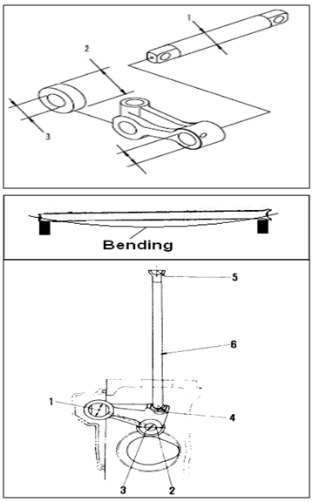
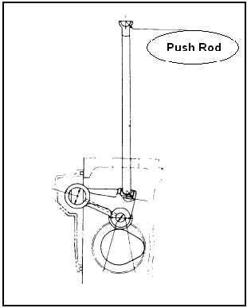
STANDARD FIGURE |  |  |  |  |  |  |  |  |  |  |  |  |  |  |  |  |  |  |  |  |  |  | Unit : mm
 |  |  |  |  |  |  |  |  |  |  |  | ENGINE |  |  |  |  | CAM FOLLOWER RADIAL PLAY
 |  |  |  |  |  |  |  |  |  |  |  | MODEL |  |  |  |  | STANDARD |  |  |  | REMAN LIMIT
 |  |  |  |  |  |  |  |  |  |  |  | 12V140-1,2 SERIES |  |  |  |  | 0.077 ~ 0.150 |  |  |  | 0.151
 |  |  |  |  |  |  |  |  |  |  |  | 6D140-3/-5 SERIES
 |  |  |  |  |  |  |  |  |  |  |  | 6D170 SERIES |  |  |  |  | 0.082 ~ 0.158 |  |  |  | 0.159
 |  |  |  |  |  |  |  |  |  |  |  | 6D170-3/-5 |  |  |  |  | 0.082 ~ 0.150 |  |  |  | 0.151
 |  |  |  |  |  |  |  |  |  |  |  |  |  |  |  |  |  |  |  |  |  |  | Unit : mm
 |  |  |  |  |  |  |  |  |  |  |  | PUSH ROD BENDING STANDARD
 |  |  |  |  |  |  |  |  |  |  |  | TIR max. |  |  |  |  | 0.30
 |  |  |  |  |  |  |  |  |  |  |  | 12V140-1 |  |  |  |  |  |  |  |  |  |  | Unit : mm
 |  |  |  |  |  |  |  |  |  |  |  | NO | CHECK ITEM |  |  |  | DIMENSION
 |  |  |  |  |  |  |  |  |  |  |  |  |  |  |  |  | SIZE |  | STD TOLERANCE |  |  | Repair Limit
 |  |  |  |  |  |  |  |  |  |  |  | 1 | OD of C.F. Shaft |  |  |  | 22 |  | 21.979 ~ 21.966 |  |  | 21.92
 |  |  |  |  |  |  |  |  |  |  |  |  | ID of C.F. Shaft Hole |  |  |  | 22 |  | 22.000 ~ 22.021 |  |  | 22.07
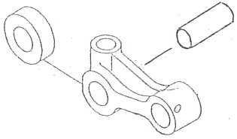
 |  |  |  |  |  |  |  |  |  |  |  | 2 | OD Cam Roller |  |  |  | 31.7 |  | 31.750 ~ 31.720 |  |  | 31.5

 |  |  |  |  |  |  |  |  |  |  |  | 6D170E-3 |  |  |  |  |  |  |  |  |  |  | Unit : mm
 |  |  |  |  |  |  |  |  |  |  |  | NO | CHECK ITEM |  |  |  | DIMENSION
 |  |  |  |  |  |  |  |  |  |  |  |  |  |  |  |  | SIZE |  | STD TOLERANCE |  |  | Repair Limit
 |  |  |  |  |  |  |  |  |  |  |  | 1 | OD of C.F. Shaft |  |  |  | 25 |  | 24.947 ~ 24.962 |  |  | 25
 |  |  |  |  |  |  |  |  |  |  |  |  | ID of C.F. Shaft Hole |  |  |  | 25 |  | 24.979 ~ 25.000 |  |  | 25
 |  |  |  |  |  |  |  |  |  |  |  | 2 | OD Cam Roller |  |  |  | 50 |  | 50.025 ~ 50.000 |  |  | 50

MECHANIC INSPECTION
IN LINE / |  |  | CAM |  |  |  | RADIAL PLAY OF CAM FOLLOWER
V MODEL |  |  | FOLLOWER |  |  |  | 1 |  |  | 2 |  |  | 3 |  |  | 4 |  |  | 5 |  |  | 6
RH |  |  | IN
 |  |  | EX
LH |  |  | IN
 |  |  | EX
INJECTOR
IN LINE / |  |  | PUSH |  |  |  | BENDING OF PUSH ROD
V MODEL |  |  | ROD |  |  |  | 1 |  |  | 2 |  |  | 3 |  |  | 4 |  |  | 5 |  |  | 6
RH |  |  | IN
 |  |  | EX
LH |  |  | IN
 |  |  | EX
INJECTOR

MECHANIC INSPECTION
NO | CHECK ITEM |  |  |  |  |  |  | DIAMETER OF CAM FOLLOWER SHAFT&HOLE
 |  |  |  |  |  |  |  | 1 |  |  | 2 |  |  | 3 |  |  | 4 |  |  | 5 |  |  | 6
1 | OD of C.F. SHAFT |  |  |  | RH | X
 |  |  |  |  |  | Y
 |  |  |  |  | LH | X
 |  |  |  |  |  | Y
 |  |  |  |  |  |  |  | 1 | 2 |  | 1 | 2 |  | 1 | 2 |  | 1 | 2 |  | 1 | 2 |  | 1 | 2
 | ID of C.F. SHAFT HOLE |  |  |  | RH | X
 |  |  |  |  |  | Y
 |  |  |  |  | LH | X
 |  |  |  |  |  | Y
 |  |  |  |  |  |  |  | 1 | 2 |  | 1 | 2 |  | 1 | 2 |  | 1 | 2 |  | 1 | 2 |  | 1 | 2
2 | OD CAM ROLLER |  |  |  | RH | X
 |  |  |  |  |  | Y
 |  |  |  |  | LH | X
 |  |  |  |  |  | Y
INJECTOR

QA INSPECTION
IN LINE / |  |  | CAM |  |  |  | RADIAL PLAY OF CAM FOLLOWER
V MODEL |  |  | FOLLOWER |  |  |  | 1 |  |  | 2 |  |  | 3 |  |  | 4 |  |  | 5 |  |  | 6
RH |  |  | IN
 |  |  | EX
LH |  |  | IN
 |  |  | EX
INJECTOR
IN LINE / |  |  | PUSH |  |  |  | BENDING OF PUSH ROD
V MODEL |  |  | ROD |  |  |  | 1 |  |  | 2 |  |  | 3 |  |  | 4 |  |  | 5 |  |  | 6
RH |  |  | IN
 |  |  | EX
LH |  |  | IN
 |  |  | EX
INJECTOR

QA INSPECTION
NO | CHECK ITEM |  |  |  |  |  |  | DIAMETER OF CAM FOLLOWER SHAFT&HOLE
 |  |  |  |  |  |  |  | 1 |  |  | 2 |  |  | 3 |  |  | 4 |  |  | 5 |  |  | 6
1 | OD of C.F. SHAFT |  |  |  | RH | X
 |  |  |  |  |  | Y
 |  |  |  |  | LH | X
 |  |  |  |  |  | Y
 |  |  |  |  |  |  |  | 1 | 2 |  | 1 | 2 |  | 1 | 2 |  | 1 | 2 |  | 1 | 2 |  | 1 | 2
 | ID of C.F. SHAFT HOLE |  |  |  | RH | X
 |  |  |  |  |  | Y
 |  |  |  |  | LH | X
 |  |  |  |  |  | Y
 |  |  |  |  |  |  |  | 1 | 2 |  | 1 | 2 |  | 1 | 2 |  | 1 | 2 |  | 1 | 2 |  | 1 | 2
2 | OD CAM ROLLER |  |  |  | RH | X
 |  |  |  |  |  | Y
 |  |  |  |  | LH | X
 |  |  |  |  |  | Y
INJECTOR

INSPECTION RESULT :

 |  | INSPECTION BY : |  |  |  |  |  |  |  |  | INSPECTION BY : |  |  |  |  |  |  |  | APPROVE BY :

 |  | MECHANIC |  |  |  |  |  |  |  |  | QA |  |  |  |  |  |  |  | SUPERVISOR

CAM FOLLOWER POLISH
PT SAPTAINDRA SEJATI
PLANT REBUILD CENTER

CAM FOLLOWER POLISHING
AND INSPECTION CHECK SHEET

JOB NUMBER |  |  |  |  |  | PART NAME |  | Cam Follower Assy |  |  |  |  | DOCUMENT NO. |  |  |  |  | QR08-SAL-010-07
ENGINE MODEL |  |  | 6D140E-5 |  |  | PART NUMBER |  |  |  |  |  |  | PUBL. DATE |  |  |  |  | 16/03/2009
ENGINE S/N |  |  |  |  |  | START DATE/TIME |  |  |  |  |  |  | REVISION NO. |  |  |  |  | 00
MACHINE MODEL |  |  |  |  |  | FINISH DATE/TIME |  |  |  |  |  |  | PAGE

 |  |  |  |  |  |  | MACHINIST NAME

 |  |  |  |  |  |  | MAN HOURS UTILIZATION

 |  |  |  |  |  |  | PROCESS |  |  |  | START |  |  |  | FINISH |  |  |  | MAN HOURS
 |  |  |  |  |  |  | Polishing
 |  |  |  |  |  |  | Inspection
 |  |  |  |  |  |  | TOTAL

INSPECTION BY MACHINIST
CAM FOLLOWER ASSY |  |  |  |  |  |  |  |  |  | √ = Good |  |  |  |  |  |  | X = No Good
No | Check Point |  |  | Check Content | Standard Reuseble Parts |  | Methode |  | 1 |  | 2 |  | 3 |  | 4 |  | 5 |  | 6 |  | Remarks
 |  |  |  |  |  |  |  |  | IN | EX | IN | EX | IN | EX | IN | EX | IN | EX | IN | EX
1 | Cam follower Shaft Hole |  |  | Scracthes | Depth <under 0.2 mm> |  | Visual check
 |  |  |  | Rust | Depth <under 0.2 mm> |  | Visual check
 |  |  |  | Crack | No crack |  | Visual check
 |  |  |  | Wear | I.D < under 22.042mm> |  | Measurement
2 | Roller |  |  | Scracthes | Depth <under 0.2 mm> |  | Visual check
 |  |  |  | Rust | Depth <under 0.2 mm> |  | Visual check
 |  |  |  | Crack | No crack |  | Visual check
 |  |  |  | Wear | O.D <under 31.6 mm> |  | Measurement
3 | Push rod ball end |  |  | Scrateches | Depth <under 0.2 mm> |  | Visual check
 |  |  |  | Rust | Depth <under 0.2 mm> |  | Visual check
 |  |  |  | Crack | No crack |  | Visual check
 |  |  |  | Wear | Depth <under 12.9 mm> |  | Measurement
4 | Cam roller pin |  |  | Scrateches | Depth <under 0.2 mm> |  | Visual check
 |  |  |  | Rust | Depth <under 0.2 mm> |  | Visual check
 |  |  |  | Crack | No crack |  | Visual check
 |  |  |  | Wear | Depth <under 12.56 mm> |  | Measurement
5 | Push Rod |  |  | Scrateches | Depth <under 0.2 mm> |  | Visual check
 |  |  |  | Rust | Depth <under 0.2 mm> |  | Visual check
 |  |  |  | Bend | under 0.3 mm |  | Measurement
 |  |  |  | Scuffing | No scuffing |  | Visual check
6 | Shaft |  |  | Scrateches | Depth <under 0.2 mm> |  | Visual check
 |  |  |  | Rust | Depth <under 0.2 mm> |  | Visual check
 |  |  |  | Crack | No crack |  | Visual check
 |  |  |  | Seizure | No seizure |  | Visual check
 |  |  |  | Wear | Depth <under 12.56 mm> |  | Measurement
FINAL INSPECTION BY QA
FINAL INSPECTION BY SUVERVISOR

COMMENT :

 |  | INSPECTION BY : |  |  |  |  | INSPECTION & APPROVED BY :

 |  | MACHINIST (MACH) |  |  |  |  | QUALITY ASSURANCE (QA) |  |  |  |  |  |  |  | PROD. SUPERVISOR (SPV)

CROSSHEAD MEASURE
PT SAPTAINDRA SEJATI
PLANT REBUILD CENTER

 |  |  |  |  |  |  | SALVAGE CROSS HEAD PROCESS
 |  |  |  |  |  |  | INSPECTION CHECKSHEET

WO NUMBER |  |  | PART NAME |  |  |  |  | CROSS HEAD |  |  | DOCUMENT NO. |  |  |  |  | QR06-SAL-006
ENGINE MODEL |  |  | PART NUMBER |  |  |  |  |  |  |  | PUBL. DATE |  |  |  |  | 01/08/2008
ENGINE S/N |  |  | START DATE / TIME |  |  |  |  |  |  |  | REVISION NO. |  |  |  |  | 01
MACHINE MODEL |  |  | FINISH DATE / TIME |  |  |  |  |  |  |  | PAGE |  |  |  |  | 1 of 1

SKETCH DRAWING

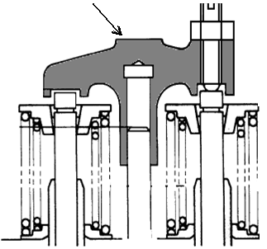
 |  |  |  |  |  |  |  | MECHANIC NAME

 |  |  |  |  |  |  |  | VISUAL CHECK |  |  |  | MECHANIC |  |  |  |  | QA/GL
 |  |  |  |  |  |  |  |  |  |  |  | OK |  | NOT OK |  |  | OK | NOT OK
 |  |  |  |  |  |  |  | CRACK HAS BEEN CHECKED
 |  |  |  |  |  |  |  | CHECK THREAD OF CROSSHEAD
 |  |  |  |  |  |  |  | CHECK THREAD OF SCREW
 |  |  |  |  |  |  |  | CHECK THREAD OF NUT

 |  |  |  |  |  |  |  | MAN HOURS UTILIZATION
 |  |  |  |  |  |  |  | PROCESS |  | START |  |  | FINISH |  |  |  | MAN HOURS
 |  |  |  |  |  |  |  | Polishing
 |  |  |  |  |  |  |  | Measuring
 |  |  |  |  |  |  |  | TOTAL
 | Standard
 | Upper pad portion : Free from Wear |  |  |  |  | Physical Data
 |  |  |  |  |  | No. | Part Number |  | Part Name |  |  |  | Qty |  | New |  | Reuse
 |  |  |  |  |  | 1 |  |  | Cross head
 |  |  |  |  |  | 2 |  |  | Screw
 |  |  |  |  |  | 3 |  |  | Nut

MECHANIC INSPECTION COMMENT :

 |  | INSPECTION BY |  |  | INSPECTION & APPROVED BY

 |  | MECHANIC |  | QUALITY ASSURANCE (QA) |  |  |  |  |  |  |  | PROD.SUPERVISOR (SPV)

CYL HEAD MEASURE
PT.SAPTA INDRA SEJATI PLANT REBUILD CENTER
CYLINDER HEAD MEASUREMENT
SALVAGING CHECK SHEET
WO NUMBER |  |  |  |  |  |  |  |  |  |  | PART NAME |  |  |  |  | CYLINDER HEAD |  |  |  |  |  | DOCUMENT NO. |  |  |  | RC/QR03/EG/02/05
ENGINE MODEL |  |  |  |  | 6D140E-5 |  |  |  |  |  | PART NUMBER |  |  |  |  |  |  |  |  |  |  | PUBL. DATE
ENGINE S/N |  |  |  |  |  |  |  |  |  |  | START DATE / TIME |  |  |  |  |  |  |  |  |  |  | REVISION NO. |  |  |  | 1
MACHINE MODEL |  |  |  |  | D 155-6 |  |  |  |  |  | FINISH DATE / TIME |  |  |  |  |  |  |  |  |  |  | PAGE

MEASURED BY |  |  |  |  |  |  |  |  |  |  |  |  |  |  |  |  |  |  |  |  | QUANTITY

4
5
STANDARD FIGURES
 |  |  |  |  |  |  |  |  |  |  |  | No | Measuring items |  |  |  |  |  |  |  | Std Tolerance (mm) |  |  |  |  | Repair Limit (mm)
 |  |  |  |  |  |  |  |  |  |  |  | 1 | Head Height |  |  |  |  |  |  |  | 140.05 ~ 139.95 |  |  |  |  | 139. 65
 |  |  |  |  |  |  |  |  |  |  |  | 2 | Lower Surface Distortion |  |  |  |  |  |  |  | 0.060 |  |  |  |  | 0.090
1
 |  |  |  |  |  |  |  |  |  |  |  | 3 | O.D. of Cross Head Guide |  |  |  |  |  |  |  | 11.011 ~ 11.000 |  |  |  |  | 10.95
 |  |  |  |  |  |  |  |  |  |  |  | 4 | Valve Seat Insert Bore |  | In |  | Std |  |  |  | 55.000 ~ 55.019 |  |  |  |  | -
2
6
 |  |  |  |  |  |  |  |  |  |  |  |  |  |  |  |  | 0.25 OS |  |  |  | 55.250 ~ 55.269 |  |  |  |  | -
 |  |  |  |  |  |  |  |  |  |  |  |  |  |  |  |  | 0.50 OS |  |  |  | 55.500 ~ 55.519 |  |  |  |  | -
 |  |  |  |  |  |  |  |  |  |  |  |  |  |  | Ex |  | Std |  |  |  | 52.000 ~ 52.019 |  |  |  |  | -
 |  |  |  |  |  |  |  |  |  |  |  |  |  |  |  |  | 0.25 OS |  |  |  | 52.250 ~ 52.269 |  |  |  |  | -
 |  |  |  |  |  |  |  |  |  |  |  |  |  |  |  |  | 0.50 OS |  |  |  | 52.500 ~ 52.519 |  |  |  |  | -
 |  |  |  |  |  |  |  |  |  |  |  | 5 | Valve Sink |  |  |  |  |  |  |  | 0 ± 0.10 |  |  |  |  | /0.70
3
 |  |  |  |  |  |  |  |  |  |  |  | 6 | Nozzle Protrusion |  |  |  |  |  |  |  | 2.3 ~ 2.9 |  |  |  |  | Replace Nozzle or Gasket

A.Result of Measurement
No. | Measuring Item |  |  |  |  |  | 1 |  |  |  | 2 |  |  | 3 |  |  |  | 4 |  |  | 5 |  |  | 6 |  |  |  | RANDOM
 |  |  |  |  |  |  |  |  |  |  |  |  |  |  |  |  |  |  |  |  |  |  |  |  |  |  |  | INSPECTION
 |  |  |  |  |  |  | MEC |  | GL |  | MEC | GL |  | MEC |  | GL |  | MEC |  | GL | MEC |  | GL | MEC |  | GL |  | QA
1 | Head Height

2 | Distortion
3 | O.D Cross Head Guide |  |  |  | In
 |  |  |  |  | Ex
4 | Valve Seat Insert Bore |  |  | In |  | 1

 |  |  |  |  |  | 2

 |  |  |  | Ex |  | 1

 |  |  |  |  |  | 2

5 | Valve Sink |  |  | In |  | 1

 |  |  |  |  |  | 2

 |  |  |  | Ex |  | 1

 |  |  |  |  |  | 2

6 | Nozzle protrution
7 | ID Valve Guide (Use Tool G/NG) |  |  | In |  | 1 | NEW PARTS

 |  |  |  |  |  | 2

 |  |  |  | Ex |  | 1

 |  |  |  |  |  | 2

No. | Inspection Item |  |  |  |  |  | 1 |  |  |  | 2 |  |  | 3 |  |  |  | 4 |  |  | 5 |  |  | 6 |  |  |  | RANDOM
 |  |  |  |  |  |  |  |  |  |  |  |  |  |  |  |  |  |  |  |  |  |  |  |  |  |  |  | INSPECTION
 |  |  |  |  |  |  | MEC |  | GL |  | MEC | GL |  | MEC |  | GL |  | MEC |  | GL | MEC |  | GL | MEC |  | GL |  | QA
8 | Leaking Test Using Pressurized Air Method in Hot Water
9 | Vacuum Test |  | STD |  |  | IN
 |  |  | (6~8 Bar) |  |  | EX
10 | Production Code

 |  |  |  |  |  |  |  |  |  |  |  |  |  |  |  |  |  | Unit : mm
ENGINE MODEL |  |  |  |  |  | VALVE SPRING |  |  |  |  | STANDARD SIZE |  |  |  |  |  |  |  |  | REPAIR LIMIT
 |  |  |  |  |  |  |  |  |  |  | FREE LENGTH |  |  |  | INSTAL LENGTH |  |  |  |  | LOAD (KG)
12V140 Series |  |  |  |  |  | INNER |  |  |  |  | 72.00 |  |  |  | 46.00 |  |  |  |  | 19.70
 |  |  |  |  |  | OUTER |  |  |  |  | 81.70 |  |  |  | 51.00 |  |  |  |  | 38.70
6D140 Series |  |  |  |  |  | INNER |  |  |  |  | 72.00 |  |  |  | 46.00 |  |  |  |  | 19.60
 |  |  |  |  |  | OUTER |  |  |  |  | 81.70 |  |  |  | 51.00 |  |  |  |  | 38.50
6D170-3 |  |  |  |  |  | INNER |  |  |  |  | - |  |  |  | - |  |  |  |  | -
 |  |  |  |  |  | OUTER |  |  |  |  | 99.60 |  |  |  | 87.40 |  |  |  |  | 62.00
6D170 Series |  |  |  |  |  | INNER |  |  |  |  | 59.30 |  |  |  | 47.00 |  |  |  |  | 17.40
 |  |  |  |  |  | OUTER |  |  |  |  | 64.80 |  |  |  | 37.50 |  |  |  |  | 84.80
6D170 HD465-5 |  |  |  |  |  | INNER |  |  |  |  | 73.80 |  |  |  | 48.00 |  |  |  |  | 23.30
 |  |  |  |  |  | OUTER |  |  |  |  | 77.00 |  |  |  | 52.00 |  |  |  |  | 48.70
6D125-2 |  |  |  |  |  | INNER |  |  |  |  | - |  |  |  | - |  |  |  |  | -
 |  |  |  |  |  | OUTER |  |  |  |  | 75.20 |  |  |  | 56.00 |  |  |  |  | 47.70
6D155-4 |  |  |  |  |  | INNER |  |  |  |  | - |  |  |  | - |  |  |  |  | -
 |  |  |  |  |  | OUTER |  |  |  |  | 88.00 |  |  |  | 51.90 |  |  |  |  | 65.50
VALVE SPRING |  |  | NUMBER OF CYL HEAD
 |  |  | 1 |  |  |  |  | 2 |  |  |  | 3 |  |  |  |  | 4 |  |  |  | 5 |  |  |  | 6
 |  |  | FREE LENGTH |  | LOAD |  |  | FREE LENGTH |  | LOAD |  | FREE LENGTH |  | LOAD |  |  | FREE LENGTH |  | LOAD |  | FREE LENGTH |  | LOAD |  | FREE LENGTH |  | LOAD
IN | 1 | INNER
 |  | OUTER
 | 2 | INNER
 |  | OUTER
EX | 1 | INNER
 |  | OUTER
 | 2 | INNER
 |  | OUTER
IN | 1 | INNER
 |  | OUTER
 | 2 | INNER
 |  | OUTER
EX | 1 | INNER
 |  | OUTER
 | 2 | INNER
 |  | OUTER

INSPECTION RESULT :

 |  | INSPECTION BY : |  |  |  |  |  |  |  |  |  |  |  |  |  | INSPECTION & APPROVAL BY :

 | MECHANIC (MEC) |  |  |  |  |  |  |  |  |  |  | QUALITY ASSURANCE (QA) |  |  |  |  |  |  |  |  |  |  | GL/SPV PRODUCTION

ROCKER SHAFT MEASURE
PT SAPTAINDRA SEJATI
PLANT REBUILD CENTER

ROCKER ARM SHAFT
MEASURING AND POLISHING CHECK SHEET

WO NUMBER |  |  |  |  | PART NAME |  |  |  | ROCKER ARM SHAFT |  |  | DOCUMENT NO. |  |  |  | RC/QR03/EG/09/08
ENGINE MODEL |  |  | 6D140E-2 |  | PART NUMBER |  |  |  |  |  |  | PUBL. DATE |  |  |  | 05/02/2008
ENGINE S/N |  |  |  |  | START DATE/TIME |  |  |  |  |  |  | REVISION NO. |  |  |  | 00
MACHINE MODEL |  |  |  |  | FINISH DATE/TIME |  |  |  |  |  |  | PAGE |  |  |  | 1 of 1

SKETCH DRAWING |  |  |  |  |  |  |  | MACHINIST NAME
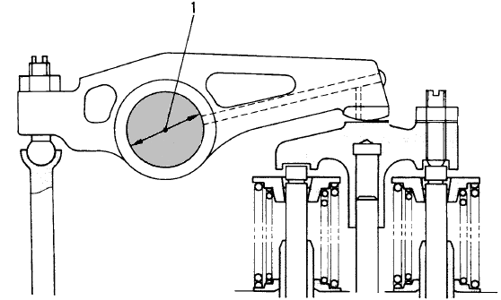

 |  |  |  |  |  |  |  | MAN HOURS UTILIZATION
 |  |  |  |  |  |  |  | PROCESS |  |  | START |  |  |  | FINISH |  |  | MAN HOURS
 |  |  |  |  |  |  |  | Machining
 |  |  |  |  |  |  |  | Measuring
 |  |  |  |  |  |  |  | TOTAL
 |  |  |  |  |  |  |  |  |  |  |  |  |  |  |  |  |  |  | ( Unit : mm)
 |  |  |  |  |  |  |  | ENGINE MODEL |  | STANDARD |  | STANDARD TOLERANCE |  |  |  |  | CLEARANCE LIMIT
 |  |  |  |  |  |  |  | 6D140E-2 |  | Ø 32.0000 |  | Ø 32.0065 ~ 31.9935 |  |  |  |  | 0.13

INSPECTION MEASURING PROCESS
CYL.NO. |  | CHECK |  | 1 |  |  |  |  | 2 |  |  |  | 3 |  |  |  |  | Actual
 |  | POSITION |  | MAC |  | QA |  | SPV | MAC | QA | SPV |  | MAC |  | QA | SPV |  | Clearance
1 |  | X – X’
 |  | Y – Y’
2 |  | X – X’
 |  | Y – Y’
3 |  | X – X’
 |  | Y – Y’
4 |  | X – X’
 |  | Y – Y’
5 |  | X – X’
 |  | Y – Y’
6 |  | X – X’
 |  | Y – Y’

INSPECTION RESULT :

 | INSPECTION BY : |  |  |  |  |  | INSPECTION & APPROVED BY :

 | MACHINIST (MACH) |  |  |  |  |  | QUALITY ASSURANCE (QA) |  |  |  |  |  |  | GL/SPV PRODUCTION

TURBO DISASSY
DISASSEMBLY CHECK SHEET |  |  |  |  |  | JOB NUMBER |  |  |  |  | DOCUMENT NO |  |  | QR02-SA-003
 |  |  |  |  |  | ENGINE MODEL |  |  |  |  | PUBLIC.DATE |  |  | 20/08/2008
TURBO CHARGER
 |  |  |  |  |  | ENGINE SERIAL NO. |  |  |  |  | REVISION NO. |  |  | 03
KOMATSU ENGINE ALL SERIES
 |  |  |  |  |  | MACHINE MODEL |  |  |  |  | PAGE

PROCESS |  | START |  |  |  |  | DISASSEMBLY BY
 |  | FINISH

Note :
 | Before disassembling the turbocharger assembly , measure the clearance between the blower impeller and
 | the housing by using filler gauge.

NO. | PARTS TO REMOVE | CONDITIONS TO BE CHECKED |  |  |  |  | REUSE | SALVAGE | REPLACE | SKETCH DRAWING OR PHOTOES, |  |  |  | REMARKS
 | OR INSPECT
1 | Blower Housing | • | When removing the blower housing, take
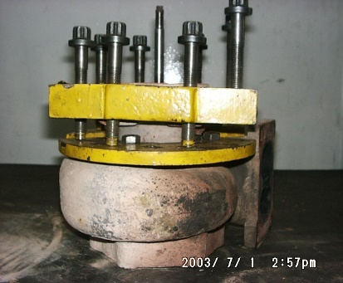
 |  |  | care not to damage the blower impeller.

 |  |  | • | Remove the nut and V-band clamp
 |  |  |  | Remove blower housing

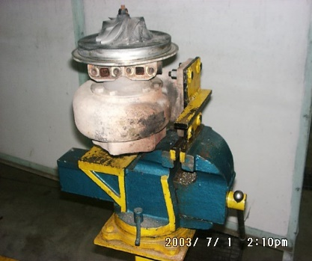
 |  | • | Before removing the blower impeller, measure
 |  |  | the end play and the radial play of the rotor
 |  |  | assembly in the following manner and keep
 |  |  | the measurement on record

 |  |  | 1. | Measurement of the end play
 |  |  |  | • | Set dial gauge in position
 |  |  |  |  | Read the dial gauge indicator when
 |  |  |  |  | the rotor assembly is moved in the
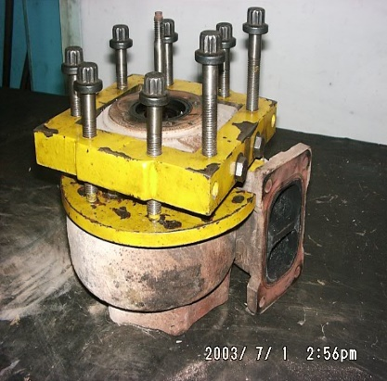
 |  |  |  |  | axial direction.

 |  |  | 2. | Measurement of the radial play
 |  |  |  | • | Set dial gauge in position
 |  |  |  |  | Read the dial gauge indicator when
 |  |  |  |  | the rotor assembly is moved in the
 |  |  |  |  | radial direction

2 | Blower Impeller | 1. | Hold on the end of turbine rotor with the socket
 |  |  | wrench or the others special tools
 |  | 2. | Loosen and remove nut
 |  | 3. | Extract the blower impeller from the turbine
 |  |  | rotor in the following manner
 |  |  | • | Immerse the rotor assembly in the oil that
 |  |  |  | is heated at 140 to 160oC for 5 to 20 minutes
 |  |  |  | or with hot air gun
 |  |  | • | Extract blower impeller from the turbine
 |  |  |  | rotor
 |  |  | • | When extracting the blower impeller, take
 |  |  |  | care not to apply an excessive force to
 |  |  | an excessive force to the impeller. | the impeller

NO. | PARTS TO REMOVE | CONDITIONS TO BE CHECKED |  |  |  |  | REUSE | SALVAGE | REPLACE | SKETCH DRAWING OR PHOTOES |  |  |  | REMARKS
 | OR INSPECT
3 | Insert (Back Plate) | 1. | Straighten the lock washer and remove bolts

 |  | 2. | Pull out the back plate from the center housing
 |  |  | and turbine shaft.

4 | Flinger | 1. | Pull out flinger from the insert (back plate)

 |  | 2. | Remove seal ring from the flinger

5 | Thrust Bearing | • | Remove thrust bearing

6 | Thrust Collar | • | Remove thrust collar

7 | Journal Bearing | • | Remove journal bearing

8 | Bolt Turbine | • | Straighten the lock washer, remove mounting
 |  |  | bolt and then remove lock plate.

9 | Center Housing | • | Pull out center housing from the turbine rotor
 |  |  | and the housing turbine with special tools

10 | Shield | • | Remove shield from turbine housing.

11 | Turbine Rotor | • | Remove turbine rotor from turbine housing
 |  |  | and remove mounting bolt and then remove
 |  |  | Lock plate.

INSPECTION COMMENT :

 | INSPECTION BY |  |  |  |  |  |  |  |  |  |  |  | APPROVED BY

 | ( MECHANIC ) |  |  |  |  |  |  |  |  |  |  | PROD. SUPERVISOR (SPV)

CYL HEAD SALVAGE
 |  |  |  |  |  |  |  |  | SALVAGE CYLINDER HEAD PROCESS
 |  |  |  |  |  |  |  |  | INSPECTION CHECKSHEET

JOB NUMBER |  |  |  |  |  | PART NAME |  |  |  | CYLINDER HEAD |  |  |  | DOCUMENT NO. |  |  |  | QR06-SAL-002
ENGINE MODEL |  |  |  |  |  | PART NUMBER |  |  |  |  |  |  |  | PUBL. DATE |  |  |  | 01/08/2008
ENGINE S/N |  |  |  |  |  | START DATE/TIME |  |  |  |  |  |  |  | REVISION NO. |  |  |  | 01
MACHINE MODEL |  |  |  |  |  | FINISH DATE/TIME |  |  |  |  |  |  |  | PAGE |  |  |  | 1 of 1

SKETCH DRAWING
 |  |  |  |  |  |  |  | MACHINIST NAME

A

 |  |  |  |  |  |  |  | Standard size ( unit mm )
 |  |  |  |  |  |  |  | ENGINE |  |  | CYLINDER HEAD HEIGHT ( A ) |  |  |  |  |  |  | DISTORTION
 |  |  |  |  |  |  |  | MODEL |  |  | STANDARD |  |  | REPAIR LIMIT |  |  |  | LOWER SURFACE ( B )
 |  |  |  |  |  |  |  | 12V140 and 6D140-1,2 |  |  | 105.05 ~ 104.95 |  |  | 104.65 |  |  |  | 0.06 and less

 |  |  |  |  |  |  |  | 6D140E-3 |  |  | 140.05 ~ 139.95 |  |  | 139.64 |  |  |  | 0.06 and less
 |  |  |  |  |  |  |  | 6D170E-3 |  |  | 151.05 ~ 150.95 |  |  | 150.65 |  |  |  | 0.05 and less
 |  |  |  |  |  |  |  | 6D170-1,2 |  |  | 140.15 ~ 139.85 |  |  | 139.54 |  |  |  | 0.06 and less
 |  |  |  |  |  |  |  | 6D125 series |  |  | 104.95 ~ 105.05 |  |  | 104.65 |  |  |  | 0.05 and less
 |  |  |  |  |  |  |  | 6D155 Series |  |  | - |  |  | 154.00 |  |  |  | 0.06 and less

B
 |  |  |  |  |  |  |  | VISUAL CHECK |  |  |  |  |  | MECHANIC |  |  |  | QA
 |  |  |  |  |  |  |  |  |  |  |  |  |  | OK |  | NOT OK |  | OK |  | NOT OK
 |  |  |  |  |  |  |  | CRACK HAS BEEN CHECKED

 |  |  |  |  |  |  |  | MANHOURS UTILIZATION
 |  |  |  |  |  |  |  | PROCESS |  |  |  | START |  |  | FINISH |  |  |  | MAN HOURS
 |  |  |  |  |  |  |  | Machining
 |  |  |  |  |  |  |  | Measuring
 |  |  |  |  |  |  |  | TOTAL

 | INSPECTION SALVAGE PROCESS
 | CYLINDER HEAD NUMBER |  |  | CHECK POINT
 |  |  |  | Head Height |  |  |  | Bottom surface distorsion |  |  |  |  | Contact mounting bolt condition
 |  |  |  | MAC | QA | SPV |  | MAC |  | QA |  | SPV | MAC |  |  |  | QA |  |  | SPV
 | 1R
 | 2R
 | 3R
 | 4R
 | 5R
 | 6R
 | 1L
 | 2L
 | 3L
 | 4L
 | 5L
 | 6L

MECHANIC INSPECTION COMMENT :

 |  |  | INSPECTION BY : |  |  |  |  | INSPECTION & APPROVED BY

 |  | MACHINIST (MACH) |  |  |  |  | QUALITY ASSURANCE ( QA ) |  |  |  |  |  |  |  | PROD. SUPERVISOR ( SPV )

